CellReferences
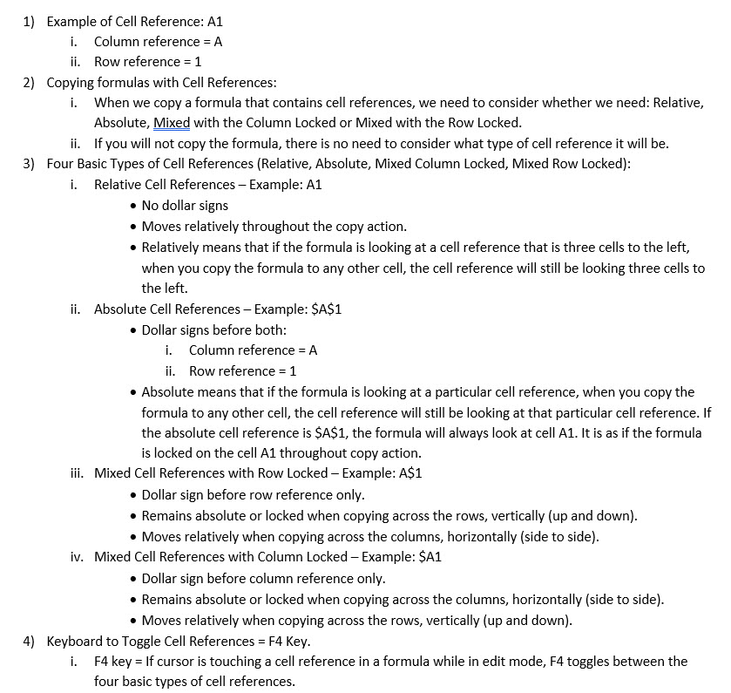

F-CalculationType
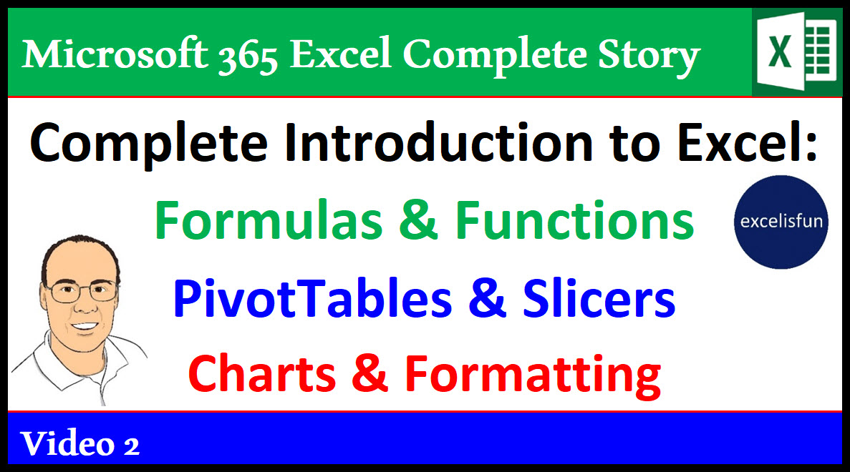
Goal: Calculate tax for each sales amount, then add

Single Input-Output Formulas |  | Dynamic Spilled Array Formulas |  | Excel Table Column Formulas |  | Excel Table Formula

Tax Rate | 0.0975 | Tax Rate | 0.0975 | Tax Rate | 0.0975 | Total Tax From Excel Table
 |  |  |  |  |  | $2.53
Sales | Tax Amount | Sales | Tax Amount | Sales | Tax Amount | K7: =SUM(TaxTable[Tax Amount])
4.49 | $0.44 | 4.49 | $0.44 | 4.49 | 0.44
3.43 | $0.33 | 3.43 | $0.33 | 3.43 | 0.33
4.98 | $0.49 | 4.98 | $0.49 | 4.98 | 0.49 | Scalar Array Formula
4.49 | $0.44 | 4.49 | $0.44 | 4.49 | 0.44
3.44 | $0.34 | 3.44 | $0.34 | 3.44 | 0.34 | Total Tax calculated in single cell
Total | $2.04 | Total | $2.04 | 5 | 0.49 | 2.04
SUM Function formulas are Aggregate Formulas
 |  |  |  | Total | 2.53 | K14: =SUM(ROUND(E9:E13*F6,2))

C9: =ROUND(B9*$C$6,2) |  | F9: =ROUND(E9:E13*F6,2) |  | I9: =ROUND([@Sales]*$I$6,2) |  | Incorrect:
C14: =SUM(C9:C13) |  | F14: =SUM(F9#) |  | I10: =ROUND([@Sales]*$I$6,2) |  | Each Amount Must Be Rounded!
 |  |  |  |  |  | 2.03
Single Input-Output Formulas Notes: |  | Dynamic Spilled Array Formulas Notes: |  | Excel Table Column Formula Notes: |  | K19: =ROUND(SUM(E9:E13)*F6,2)
Use if you have to send a |  | Use because of these advantages: |  | Use when you will add new records to your table.
solution to someone |  | 1) Did not need to lock cell references. |  | You still must lock references, but formulas
without M365 Excel. |  | 2) Did not need to manually copy the formula. |  | are automatically copied down column.
 |  | 3) Editing a formula is faster and easier.

